Region Map
GATE_HI_UA
| |  |  |  |  |  |  |  |  |  |  |  |  |  |  |  | UA_B03 |  | ― | UA_C02
UA_D07 |  |  |  | UA_F01 |  |  | ― | UA_C01 |  |  |  | ⟋ | UA_A02 | ― | UA_B02 | ⟋
 |  |  |  |  |  |  |  |  | ― | UA_B01
 |  |  |  | | |  |  |  |  |  |  | | |  |  |  | | |  |  |  | | |  |  | UA_C06 |  | ― | GATE_AB_UA
 | ― | ― | UA_B04 |  |  |  |  | | |  |  | UA_B05 | ― | UA_C04 |  |  | ― | UA_C05 | ― | UA_D01 |  | ⟋ |  | ⟋
 |  |  | | | ⟍ | UA_A01 | ― | UA_C03 |  |  | ― |  |  |  | | |  |  |  |  |  |  | ― | UA_A06
 |  |  | UA_S01 |  | | |  |  | | |  |  | | |  |  | UA_C06 |  |  |  |  |  | |
 |  |  |  |  | UA_C08 |  |  | UA_B06 |  | UA_D02 |  |  |  |  |  |  | | |  |  | UA_C07 | ― | UA_S02
KEY Tan/Yellow rooms - Upper city Grey rooms - darker alleyways and caves Purple rooms - hanging city and industrial machinery |  |  |  |  |  |  |  |  | ― |  |  |  |  |  |  |  | UA_D03 |  | ―
 |  |  |  |  |  |  |  | | |  |  |  |  |  | ⟋
 |  |  |  |  |  | ⟍ |  | UA_E01 |  | UA_D04 |  | ― | UA_B07 | ― | GATE_DS_UA |  | | |  |  | |
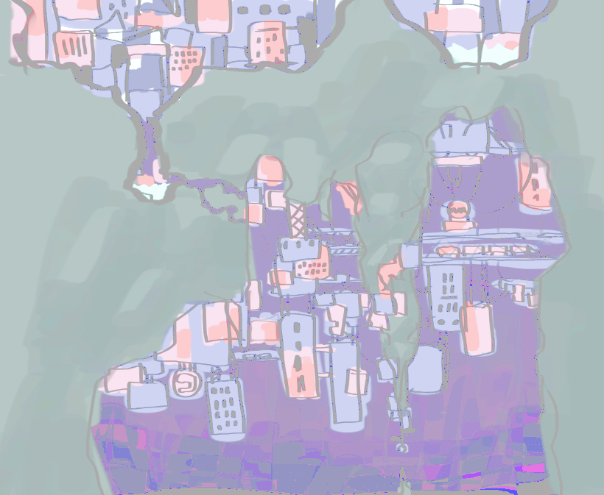
 |  |  |  |  |  | UA_B13 |  |  | ― |  |  |  |  |  |  |  | UA_A05 |  | UA_GEN (Generator) |  |  | ⟋ | UA_A04 (secret scav stash)
 |  |  |  |  |  |  | ― |  |  |  |  |  | ⟍ | UA_S03 |  |  | | | ⟋ |  |  | ― | UA_C08
 |  |  |  |  |  | ⟋ |  |  |  |  |  |  |  |  |  |  | UA_A03 |  | | |  |  |  | ⟋
 |  |  |  |  | UA_C15 |  |  |  | ― | UA_C09 |  |  |  |  |  | ⟋ |  |  | UA_C11 | ― | UA_B09
 |  |  |  |  |  |  |  |  |  |  | ― | UA_B08 |  | ― | UA_C10 |  |  | ―
 |  |  |  |  |  |  | UA_D05 |  | ― |  |  |  |  |  | |
 |  |  |  |  |  | ⟍ |  |  |  | | |  | ⟋ | UA_S04 |  | UA_B10
 |  |  |  |  |  |  |  |  |  | UA_D06 |  |  |  | ―

